Test1, new data
Name of file | Ground truth | Sigma | Clog time | Crossing time FFT | Lead time(FFT ) | Crossing time PD | Classifications | Sampling time | Rolling mean time | Notes
Experiment 2 folder | Clogging | 3 | 3:14:00 | 0:36:14 | 2:37:46 | 2:58:27 | True positive | 60 seconds | 60 s | Seems like sigma 3 is a little early.
Experiment 2 folder | Clogging | 3 | 3:14:00 | 1:36:08 | 1:37:52 | 2:58:24 | True positive | 150 seconds | 60 s | More accurate
Experiment 2 folder | Clogging | 3 | 3:14:00 | 1:39:10 | 1:34:50 | 2:58:24 | True positive | 300 seconds | 60 s | Even better
Experiment 2 folder | Clogging | 5 | 3:14:00 | 2:46:21 | 0:27:39 | 3:00:16 | True positive | 60 seconds | 60 s | Good timing? |  |  | Sigma 3 | 150 seconds baseline
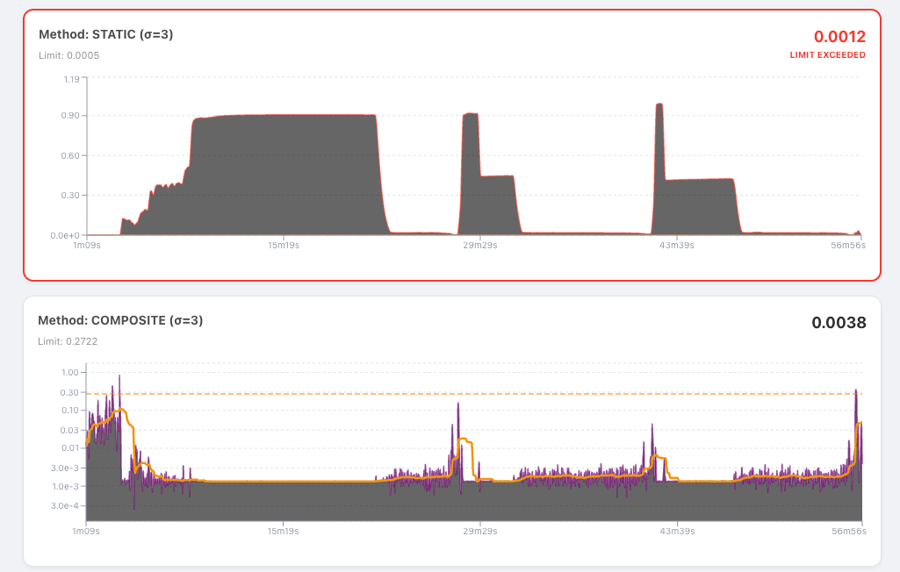
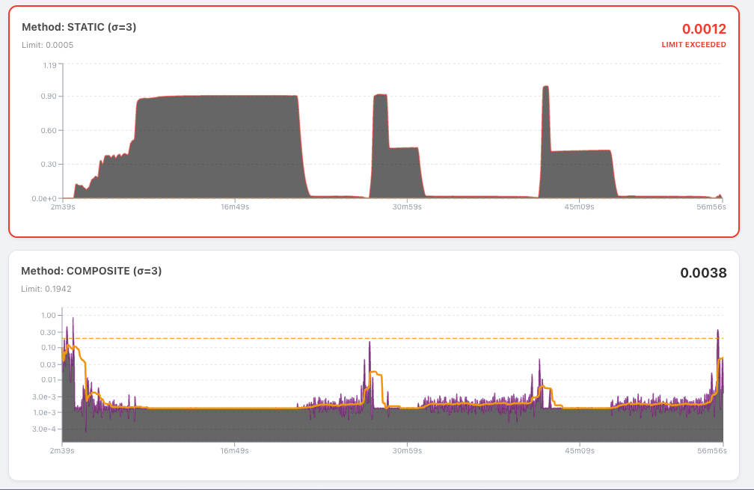
Experiment 2 folder | Clogging | 5 | 3:14:00 | 2:33:52 | 0:40:08 | 3:00:11 | True positive | 150 seconds | 60 s | Better
Experiment 2 folder | Clogging | 5 | 3:14:00 | 2:34:37 | 0:39:23 | 3:00:11 | True positive | 300 seconds | 60 s | Better
Experiment 1 folder | No clog | 3 | 0:00:00 | 1:01:40 | -0.0428240741 | No crossing | False Positive | 60 seconds | 60 s | False positive on a non clogging
Experiment 1 folder | No clog | 3 | 0:00:00 | 0:39:49 | -0.027650463 | No crossing | False Positive | 150 seconds | 60 s | Missing missing missing, sigma 8 gave me not a cross.
Experiment 1 folder | No clog | 3 | 0:00:00 | 1:01:40 | -0.0428240741 | No crossing | False Positive | 300 seconds | 60 s | The pressure difference was not crossed however so this should be good enough
Experiment 1 folder | No clog | 5 | 0:00:00 | 1:02:18 | -0.0432638889 | No crossing | False Positive | 60 seconds | 60 s
Experiment 1 folder | No clog | 5 | 0:00:00 | 1:02:12 | -0.0431944444 | No crossing | False Positive | 150 seconds | 60 s
Experiment 1 folder | No clog | 5 | 0:00:00 | 1:02:18 | -0.0432638889 | No crossing | False positive | 300 seconds | 60 s
27-01-23-LF.xlsx | Clogging | 3 | 0:54:44 | 0:53:52 | 0:00:52 | Crossing | True positive | 60 seconds | 60 s
27-01-23-LF.xlsx | Clogging | 5 | 0:54:44 | 0:53:55 | 0:00:49 | Crossing | True positive | 60 seconds | 60 s
27-01-23-LF.xlsx | Clogging | 3 | 0:54:44 | 0:53:51 | 0:00:53 | 0:24:17 |  | 150 seconds | 60 s
27-01-23-LF.xlsx | Clogging | 5 | 0:54:44 | 0:53:04 | 0:01:40 | 0:24:44 |  | 150 seconds | 60 s | Need to check if it correct
06-12-LF.xlsx | Clog? | 3 |  | Look at image to the right | #VALUE! | 0:03:00 |  | 60 seconds | 60 s
06-12-LF.xlsx | Clog? | 5 |  | No crossing | #VALUE! | 0:03:01 |  | 60 seconds | 60 s | Interesting results. Seems like the the thre is 3 spikes in the data feed, maybe there is supposed to be 3 different runs ?
06-12-LF.xlsx | Clog? | 3 |  |  | 0:00:00 | 0:03:00 |  | 150 seconds | 60 s | Should i remove the start phase and see what the result returns as??
06-12-LF.xlsx | clog | 5 |  |  | 0:00:00 | 0:03:01 |  | 150 seconds | 60 s
15-03-LF.xlsx | SKIP FOR NOW | 3 |  |  | 0:00:00 |  |  | 60 seconds | 60 s
15-03-LF.xlsx |  | 5 |  |  | 0:00:00 |  |  | 60 seconds | 60 s | Weird file setup
15-03-LF.xlsx |  | 3 | Multiple clog times? Look at image |  | #VALUE! |  |  | 150 seconds | 60 s
15-03-LF.xlsx |  | 5 |  |  | 0:00:00 | ? |  | 150 seconds | 60 s
13-10-LF-xlsx | multiple clogs | 3 | Multiple clog times? Look at image |  | #VALUE! |  |  | 60 seconds | 60 s | From what i can see there is multiple
13-10-LF-xlsx | multiple clogs | 5 |  | 00:01:25 or 00:32:46 | #VALUE! |  |  | 60 seconds | 60 s
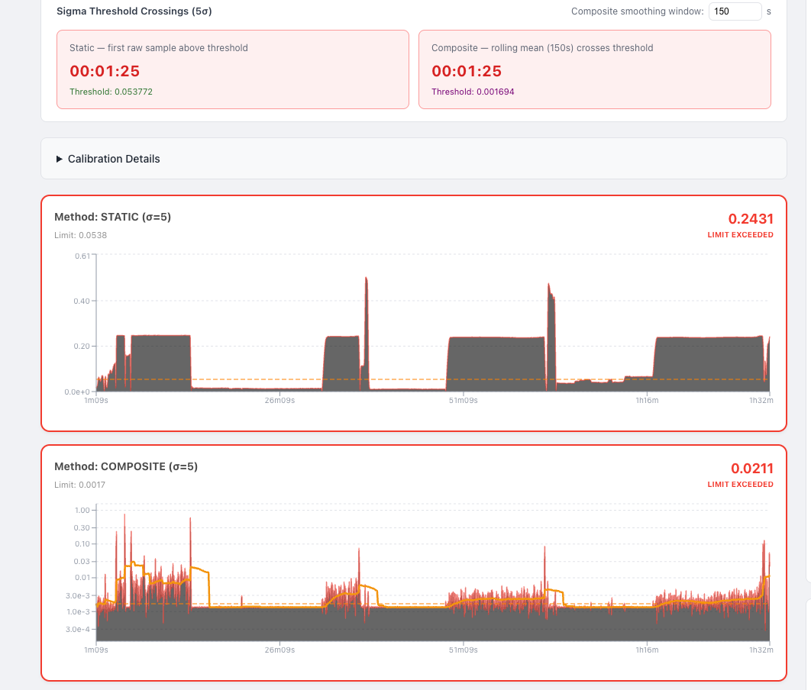
13-10-LF-xlsx | multiple clogs | 3 |  | 0:03:52 | -0.0026851852 |  |  | 150 seconds | 60 s
13-10-LF-xlsx | multiple clogs | 5 |  | 0:03:54 | -0.0027083333 |  |  | 150 seconds | 60 s
18-11-LF.xlsx |  | 3 |  |  | 0:00:00 | 0:01:23 |  | 60 seconds | 60 s
18-11-LF.xlsx |  | 5 |  |  | 0:00:00 | 0:01:24 |  | 60 seconds | 60 s
18-11-LF.xlsx |  | 3 | 0:00:00 | No crossing | #VALUE! | 0:03:47 |  | 150 seconds | 60 s | From what i can see there is a spike at the beginning and a small spike at the end. Unclear what it is. Images to the right -->
18-11-LF.xlsx |  | 5 | 0:00:00 | No crossing | #VALUE! | 0:04:06 |  | 150 seconds | 60 s | I think no clogging!
01-10-xlsx modified |  | 3 | 0:26:11 | 0:18:18 | 0:07:53 | 0:18:23 |  | 60 seconds | 60 s
01-10-xlsx |  | 5 | 0:26:11 | 0:18:19 | 0:07:52 | 0:18:25 |  | 60 seconds | 60 s | Can already see that i should modify this one the flow rate increases
01-10-xlsx |  | 3 | 0:26:11 | 0:18:18 | 0:07:53 | 0:18:22 |  | 150 seconds | 60 s
01-10-xlsx |  | 5 | 0:26:11 | 0:18:19 | 0:07:52 | 0:18:24 |  | 150 seconds | 60 s | After i removed the starting procedure the results where giving me clear clogging details
14-07-lf-xl |  | 3 |  | 0:17:20 | -0.012037037 | 0:01:21 |  | 60 seconds | 60 s
14-07-lf-xl |  | 5 |  | 0:17:37 | -0.0122337963 | 0:15:54 |  | 60 seconds | 60 s | Pressure difference was quite different from sigma 3 and 5
14-07-lf-xl |  | 3 |  | 0:17:33 | -0.0121875 | 0:16:53 |  | 150 seconds | 60 s | Pressure was there for |  | 13-10-LF-xlsx
14-07-lf-xl |  | 5 |  | 0:17:40 | -0.0122685185 | 0:16:54 |  | 150 seconds | 60 s | Looks like 3-4 different runs, this is for the first crossing,
7-12.xlsx |  | 3 | 2:14:30 | 2:19:19 | -0.0033449074 | 0:02:59 |  | 60 seconds | 60 s
7-12.xlsx |  | 5 | 2:14:30 | 2:19:47 | -0.0036689815 | 1:41:18 |  | 60 seconds | 60 s
7-12.xlsx |  | 3 | 2:14:30 | 2:14:02 | 0:00:28 | 2:12:42 |  | 150 seconds | 60 s
7-12.xlsx |  | 5 | 2:14:30 | 2:19:19 | -0.0033449074 | No crossing |  | 150 seconds | 60 s | Seems like there is a singular clog at det end
07-07-LF.xlsx |  | 3 |  | 0:12:14 |  | 0:01:16 |  | 60 seconds | 60 s
07-07-LF.xlsx |  | 5 |  | 0:12:15 |  | 0:01:19 |  | 60 seconds | 60 s | Seems like there are multiple runs in this file, not sure if it is clogging, might need to sanitize the start, many files have a higher flow rate than usual
07-07-LF.xlsx |  | 3 |  | 0:12:10 |  | 1:57:33 |  | 150 seconds | 60 s
07-07-LF.xlsx |  | 5 |  | 0:12:15 |  | 1:57:36 |  | 150 seconds | 60 s
25-03-LF.xlsx |  | 3 |  | 2:45:11 |  | 0:10:18 |  | 60 seconds | 60 s
25-03-LF.xlsx |  | 5 |  | 2:45:11 |  | 0:13:07 |  | 60 seconds | 60 s
25-03-LF.xlsx |  | 3 |  | 0:40:45 |  | 0:08:55 |  | 150 seconds | 60 s
25-03-LF.xlsx |  | 5 |  | 2:45:11 |  | 0:13:07 |  | 150 seconds | 60 s | The flow rate is changing a lot, so after i tested this i need to see what the target run was
11-12.xlsx |  | 3 |  | 0:20:17 |  | 0:19:32 |  | 60 seconds | 60 s
11-12.xlsx |  | 5 |  | 0:20:30 |  | 0:19:34 |  | 60 seconds | 60 s
11-12.xlsx |  | 3 |  | 0:20:17 |  | 0:19:32 |  | 150 seconds | 60 s
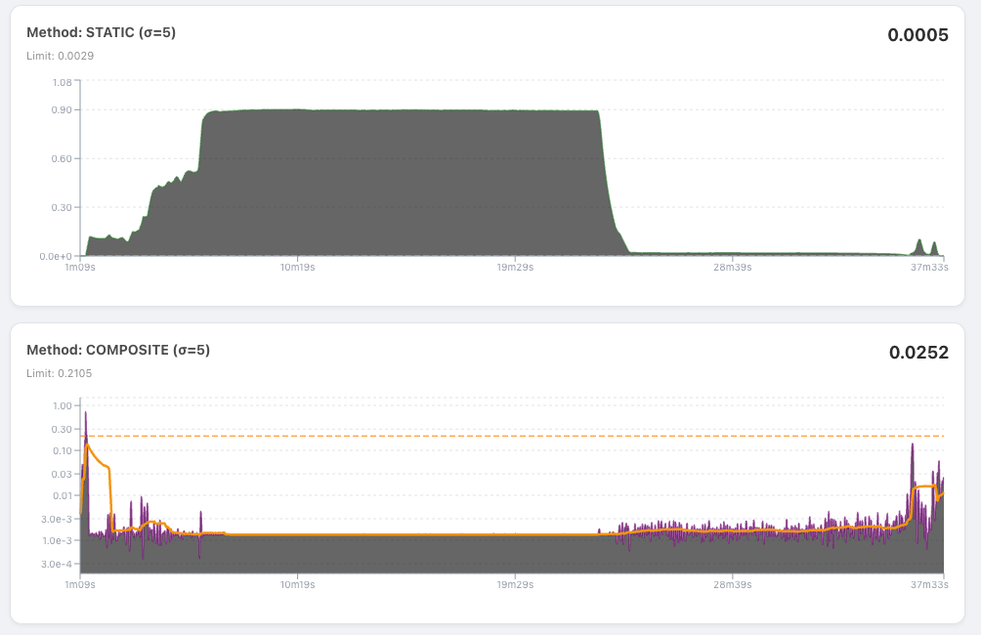
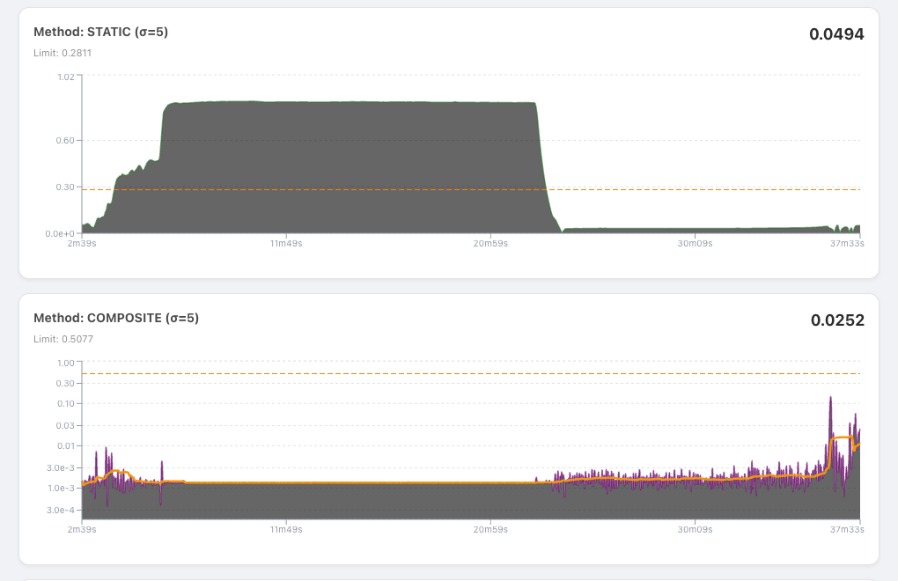
11-12.xlsx |  | 5 |  | 0:20:30 |  | 0:19:34 |  | 150 seconds | 60 s
04-04-LF.xlsx |  | 3 |  | 5:38:25 |  | 0:01:09 |  | 60 seconds | 60 s
04-04-LF.xlsx |  | 5 |  | 5:38:25 |  | 0:01:09 |  | 60 seconds | 60 s
04-04-LF.xlsx |  | 3 |  | 5:38:24 |  | 0:17:23 |  | 150 seconds | 60 s
04-04-LF.xlsx |  | 5 |  | 5:38:24 |  | 0:17:23 |  | 150 seconds | 60 s
11-03-LF.xlsx |  | 3 |  |  |  |  |  | 60 seconds | 60 s
11-03-LF.xlsx |  | 5 |  |  |  |  |  | 60 seconds | 60 s |  | Seems like there is a difference in data, my software does not controll it
11-03-LF.xlsx |  | 3 |  |  |  |  |  | 150 seconds | 60 s
11-03-LF.xlsx |  | 5 |  |  |  |  |  | 150 seconds | 60 s

 |  |  |  |  |  |  |  |  |  |  |  | 18-11-LF.xlsx

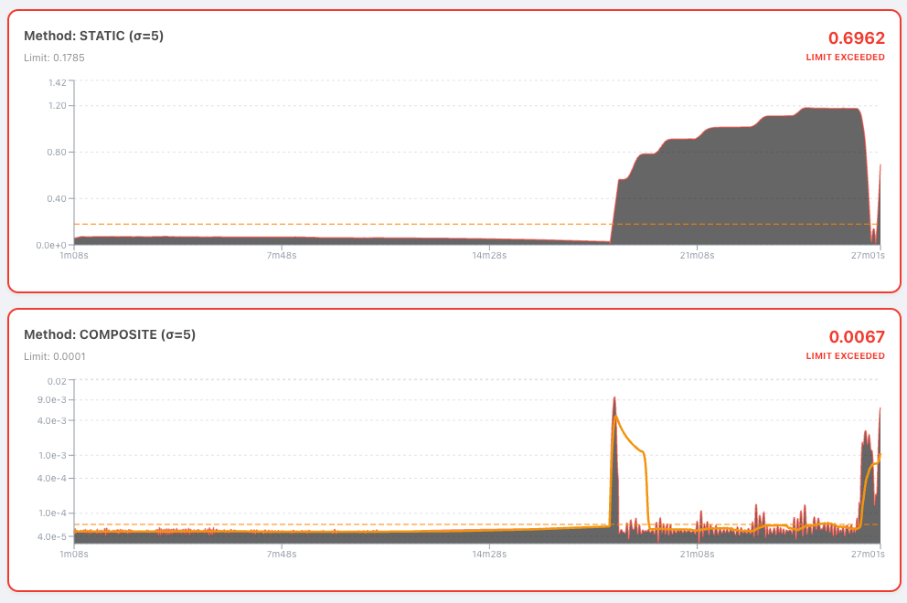

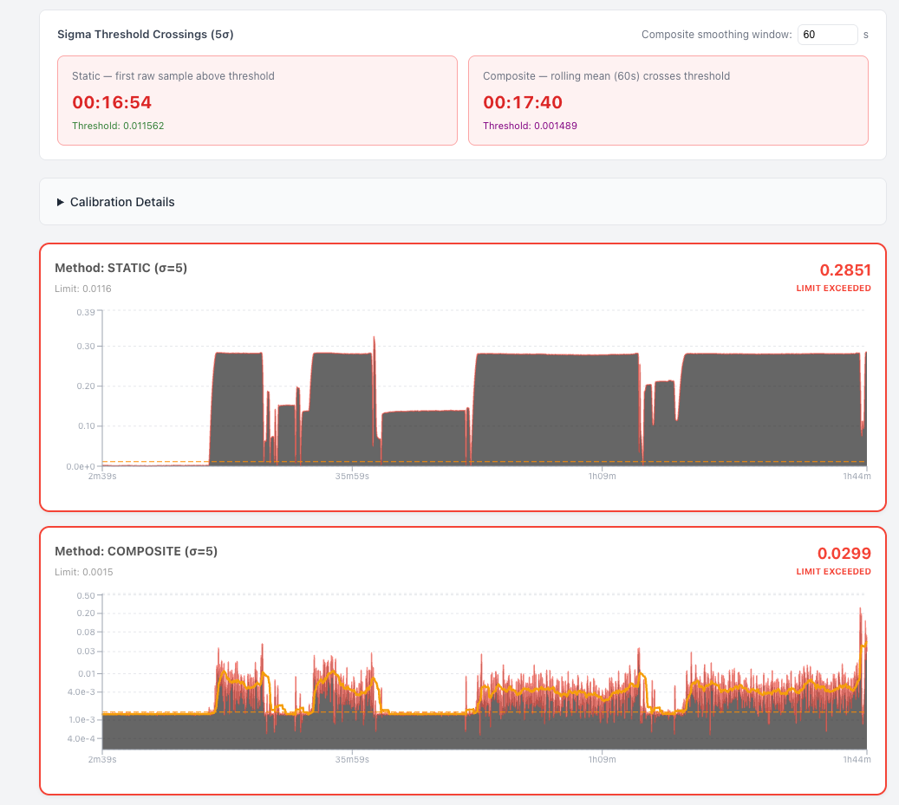

 |  |  |  |  |  |  |  |  |  |  |  | 14-07-lf-xl

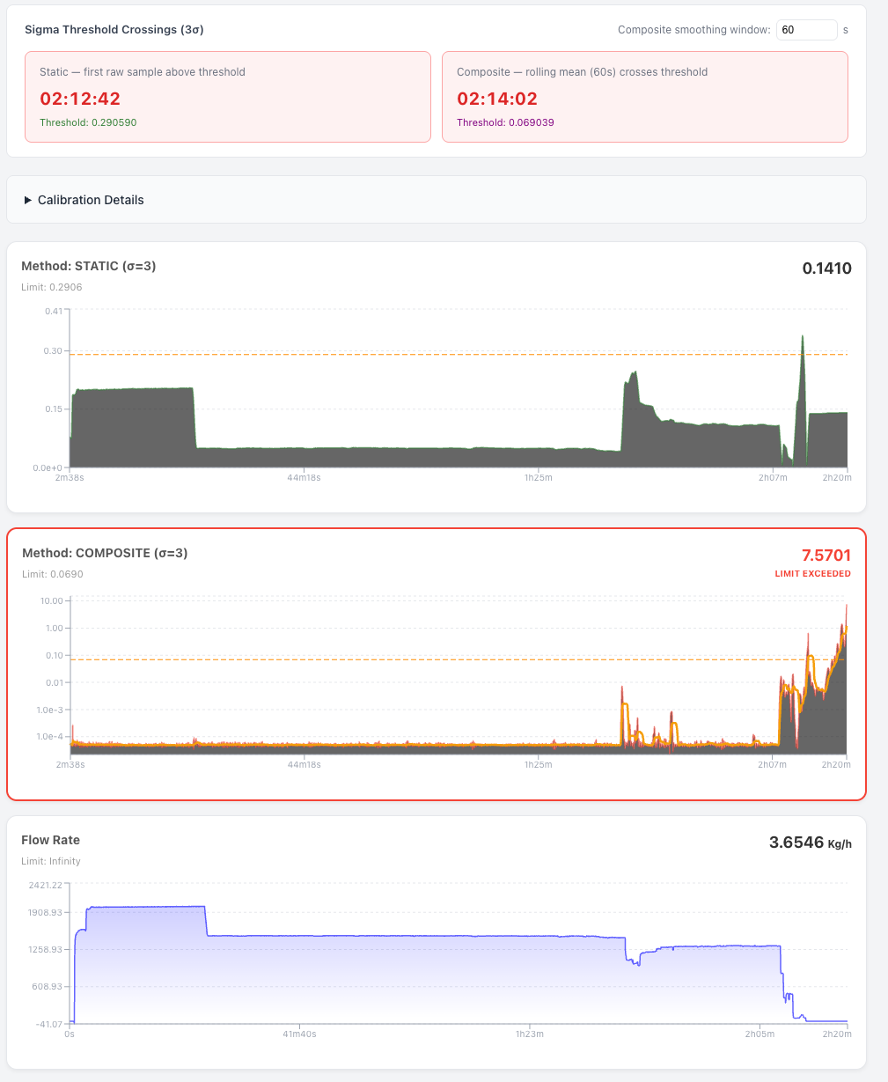

 |  |  |  |  |  |  |  |  |  |  |  | 7-12.xlsx

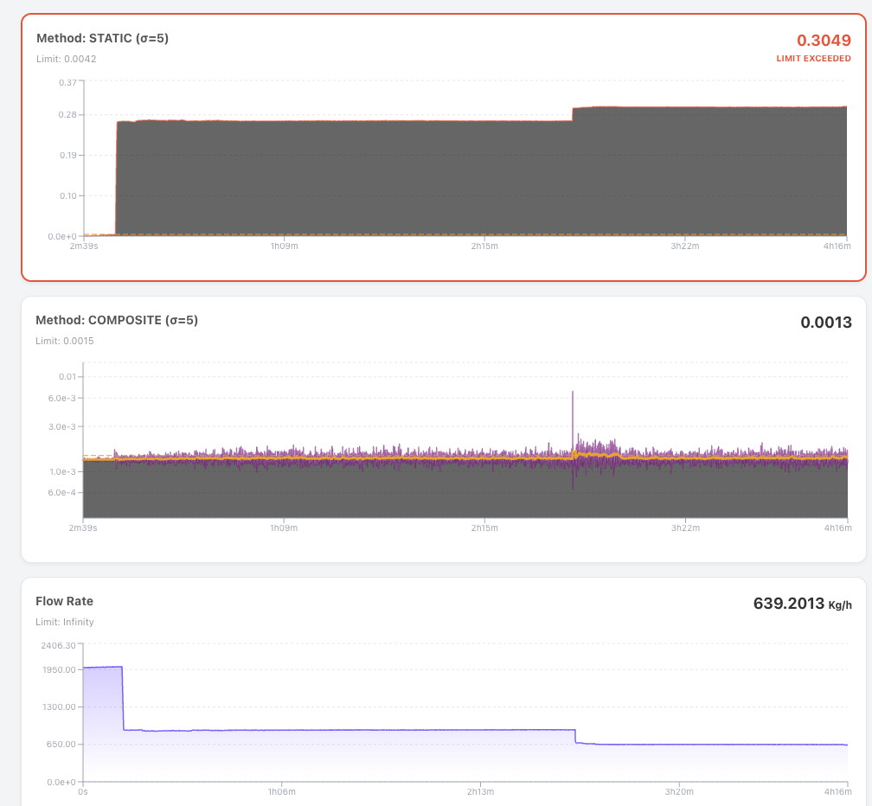

 |  |  |  |  |  |  |  |  |  |  |  | 25-03-LF.xlsx

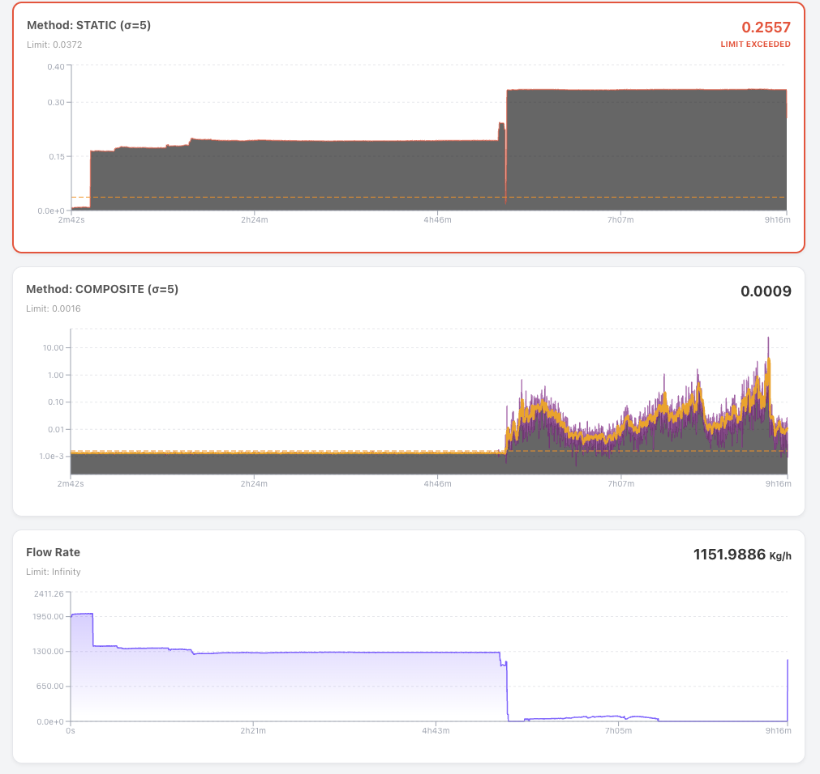

 |  |  |  |  |  |  |  |  |  |  |  | 04-04-LF.xlsx

